Template Instructions
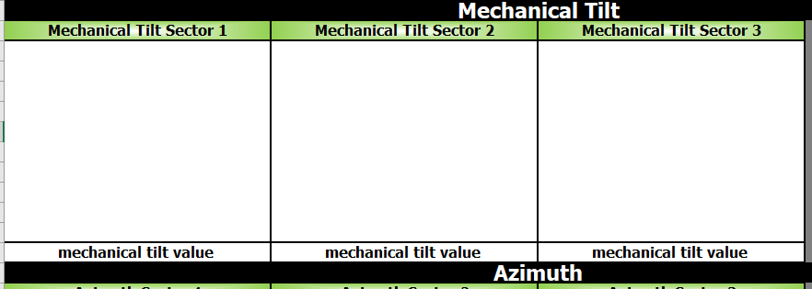
Template Instructions

This template allows users to represent a <Method of Engagement Name> . The elements are:

- Revision Control sheet allows to maintain a record of changes made on the document.

- Following Sheets :

Site Data Must be filled with site data in the corresponding area:

For each sheet add folowing data from the installed equipment:

Add Photographic evidence as per indicated segment:
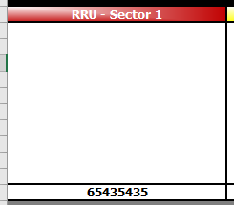

Some Segments requires to add the value indicated by the design:

